2025 MINIGP
BIKE CODE FOR ORDERS: 25-GP-187-STD 25-GP-157-STD 25-GP-124-STD 25-GP-107-STD 25-GP-107A-STD |  | 2025-01-04 | BIKE DESCRIPTION NAME: / / /

Handle bar assembly

N° | Ref. | Description | Français | Picture | Qty/Bike 主件/毛坯 | Model
A1 | YC110-0101-31-MG | Minigp Pair of Semi handle bar Adjustable d45 Magnesium T1 | Paire de guidon bracelet Minigp Reglable d45 Magnesium T1 |  | 1 | GP107A GP107 GP124 GP157 GP187 | X | X | X | X | X
1 | YC110-0101-3101-MG | MINI GP Semi handlebar clamp d45 Magnesium T1 | Cone de serrage guidon bracelet MINI GP d45 Magnesium T1 |  | 2 | GP107A GP107 GP124 GP157 GP187 | X | X | X | X | X
2 | YC110-0101-3104-MG | MINI GP Left Handle bar support Magnesium T1 | Support Tube de guidon MINI GP gauche Magnesium T1 |  | 1 | GP107A GP107 GP124 GP157 GP187 | X | X | X | X | X
3 | YC110-0101-3105-MG | MINI GP Right Handle bar support Magnesium T1 | Support Tube de guidon MINI GP droit Magnesium T1 |  | 1 | GP107A GP107 GP124 GP157 GP187 | X | X | X | X | X
4 | YC110-0101-3106-MG | MINI GP Tightening nut for handlebar clamp d45 Magnesium T1 | Ecrou de serrage guidon bracelet MINI GP d45 Magnesium T1 |  | 2 | GP107A GP107 GP124 GP157 GP187 | X | X | X | X | X
5 | YC110-0101-2501-BKM | MINI GP Handle bar Tube d22x2.5x272mm (unit) BLACK MAT | Tube de guidon MINI GP d22x2.5x272mm NOIR MAT (a l'unite) |  | 1 | GP107A GP107 GP124 GP157 GP187 | X | X | X | X | X
5 | YC110-0101-2502-BKM | MINI GP Handle bar Tube d22x2.5x272mm (unit) knurl BLACK MAT | Tube de guidon MINI GP d22x2.5x272mm Fleurs de roulement NOIR MAT (a l'unite) |  | 1 | GP107A GP107 GP124 GP157 GP187 | X | X | X | X | X
6 | YC110-0153-03-BKM | MINI GP Handle bar Tube PA6 END CAP | Bouchon PA66 Tube de guidon MINI GP |  | 2 | GP107A GP107 GP124 GP157 GP187 | X | X | X | X | X
7 | YC110-0153-02-BKM | MINI GP Handle bar End Cap Teflon BLACK MAT | Embout de guidon MINI GP Teflon NOIR MAT |  | 2 | GP107A GP107 GP124 GP157 GP187 | X | X | X | X | X
8 | BT08-M8x20-W | HEXAGON Torx screw with Flange M8x20mm | Vis HEXAGONALE Torx avec Flange M8x20mm |  | 2 | GP107A GP107 GP124 GP157 GP187 | X | X | X | X | X
9 | BT08-M6x30-W | HEXAGON Torx screw with Flange M6x30mm | Vis HEXAGONALE Torx avec Flange M6x30mm |  | 4 | GP107A GP107 GP124 GP157 GP187 | X | X | X | X | X
10 | BT08-M6x16-W | HEXAGON Torx screw with Flange M6x16mm | Vis HEXAGONALE Torx avec Flange M6x16mm |  | 12 | GP107A GP107 GP124 GP157 GP187 | X | X | X | X | X
A2 | YC110-0138-05 | YCF complete Throttle Assy. MINIGP with grip BLACK | Poignee gaz complete YCF MINIGP avec Paire de poignée YCF NOIRE |  | 1 | GP107A GP107 GP124 GP157 GP187 | X | X | X | X | X
17 | GB819-M4x12 | Countersunk cross head machine screw,stainless steel, M4x12mm | Vis à tête fraisée plate cruciforme,inox, M4x12mm |  | 1 | GP107A GP107 GP124 GP157 GP187 | X | X | X | X | X
18 | GB819-M4x20 | Countersunk cross head machine screw,stainless steel, M4x20mm | Vis à tête fraisée plate cruciforme,inox, M4x20mm |  | 1 | GP107A GP107 GP124 GP157 GP187 | X | X | X | X | X
19 | GB70-M6x20 | HEXAGON SOCKET Head Bolt, stainless steel, M6x20mm | Vis Allen (BTR)inox, M6x20mm |  | 2 | GP107A GP107 GP124 GP157 GP187 | X | X | X | X | X
A4 | YC110-0135-02 | clutch adjustable complete bracket with lever 2020 GREY | Cocotte reglage rapide avec levier embrayage 2020 GRIS |  | 1 | GP107 GP124 GP157 GP187 | X | X | X | X
20 | YC110-0151-03 | Rubber on clutch lever adjustable screw 2020 | Caoutchouc levier embrayage molette reglage2020 |  | 1 | GP107 GP124 GP157 GP187 | X | X | X | X
21 | YC110-0136-02 | Rubber on clutch lever adjustable START | Caoutchouc levier embrayage reglable START |  | 1 | GP107 GP124 GP157 GP187 | X | X | X | X
A5 | YC110-0103-07 | Clutch lever 2020 Aluminium (with FB13-8x10x10.5-Cu 1EA FB13-8x10x9.4-Cu 1EA FB20-10x16x1 1EA) complete with bushings | Levier embrayage 2020 Aluminium (avec FB13-8x10x10.5-Cu 1EA FB13-8x10x9.4-Cu 1EA FB20-10x16x1 1EA) avec entretoises |  | 1 | GP107 GP124 GP157 GP187 | X | X | X | X
A6 | YC110-0134-04 | Clutch bracket Assy Aluminium 2020 GREY | Cocotte embrayage complete 2020 GRIS |  | 1 | GP107 GP124 GP157 GP187 | X | X | X | X
24 | 27-06025B | Hex.bolt with flanged M6x25mm (Step M8x13mm) | vis M6x25mm (deport M8x13mm) |  | 1 | GP107 GP124 GP157 GP187 | X | X | X | X
25 | GB6177-06000B | HEXAGON FLAT FLANGE NUT M6 | ecrou cloche embrayage M6 pour Levier embrayage |  | 1 | GP107 GP124 GP157 GP187 | X | X | X | X
A7 | PPC012-BK | Set of grip MINIGP BLACK (cut) | Paire de poignée caoutchouc MINIGP NOIRE (coupees) |  | 1 | GP107A GP107 GP157 GP187 | X | X | X | X | X
35 | YC110-0106-21 | Throttle Cable L=760mm A+B=135mm | Cable gaz L=760mm A+B=135mm |  | 1 | GP157 GP187 | X | X
35 | YC110-0106-20 | Throttle Cable L=760mm A+B=120mm | Cable gaz L=760mm A+B=120mm |  | 1 | GP107A GP107 GP124 |  |  | X | X | X
36 | YC110-0143-01 | Rubber on trottle cable | Protection caoutchouc cable de gas |  | 1 | GP107 GP124 GP157 GP187 | X | X | X | X | X
37 | YC110-0109-29 | Clutch Cable Assy. L=860mm A+B=95mm | Cable embrayage L=860mm A+B=95mm |  | 1 | GP107 GP124 GP187 | X |  | X | X
37 | YC110-0109-30 | Clutch Cable Assy. L=860mm A+B=75mm | Cable embrayage L=860mm A+B=75mm |  | 1 | GP157 |  | X
A8 | YC110-0105-07 | Magnet kill switch L=580mm | Coupe circuit aimant L=580mm |  | 1 | GP187 | X
A8 | YC110-0105-08 | YCF Magnet kill switch | Coupe circuit YCF aimant |  | 1 | GP107A GP107 GP124 GP157 |  | X | X | X | X
40 | YC110-0105-0704 | YCF Magnet kill switch lanyard Blue | Coupe circuit YCF aimant Code Bleue |  | 1 | GP107A GP107 GP124 GP157 GP187 | X | X | X | X | X
44 | YC110-01-03-BK | Cable tie,nylon, L=150mm Black | collier maintien cable, nylon, L=150mm Noir |  | 3 | GP107A GP107 GP124 GP157 GP187 | X | X | X | X | X
45 | YC110-0139-03 | Start switch Waterproof L=500mm | Bouton demareur ETANCHE L=500mm |  | 1 | GP107A |  |  |  |  | X

Steering stem assembly

N° | Ref. | Description | Français | Picture | Qty/Bike | Model
A1 | YC110-0225-04-BKM | Minigp Complete Triple Clamp (TOP d45mm / BOTTOM d48mm) L=160mm Black Mat | Te Fourche Complet Minigp (TE SUPd45mm / TE INF d48mm) L=160mm Noir Mat |  | 1 | GP107A GP107 GP124 GP157 GP187 | X | X | X | X | X
...
4 | 3.22100N-SI | MINI GP Nut for steering stem M22 SILVER MAT | Ecrou supérieur colonne direction MINI GP M22 SILVER MAT |  | 1 | GP107A GP107 GP124 GP157 GP187
5 | YC110-02-10 | Washer for steering stem nut, stainless steel, d22mmxd37mmx0.7mm | joint colonne direction,inox, d22mmxd37mmx0.7mm |  | 1 | GP107A GP107 GP124 GP157 GP187
6 | YC110-02-09 | Top nut for steering,steel, d=54.5mm | écrou crantellé colonne direction steel d=54.5mm |  | 1 | GP107A GP107 GP124 GP157 GP187
A2 | KRDIRECTION46 | set of bearing for steering 46/23.5、46/22 | Kit rlt colonne direction 46/23.5、46/22 |  | 1 | GP107A GP107 GP124 GP157 GP187
A3 | YC110-02-20 | Washer for steering stem nut d22mm (top)/d24mm (bottom)-d47mm | Joint pour colonne direction d22mm (haut)/d24mm (bas) -d47mm |  | 1 | GP107A GP107 GP124 GP157 GP187
11 | BT08-M6x20-W | HEXAGON Torx screw with Flange M6x20mm | Vis HEXAGONALE Torx avec Flange M6x20mm |  | 8 | GP107A GP107 GP124 GP157 GP187
12 | GB6170-M8-W | HEXAGON Nut M8mm steel | Ecrou HEXAGONAL M8mm acier |  | 2 | GP107A GP107 GP124 GP157 GP187
13 | BT08-M8x30-W | HEXAGON Torx screw with Flange M8x30mm | Vis HEXAGONALE Torx avec Flange M8x30mm |  | 2 | GP107A GP107 GP124 GP157 GP187

Front Fender
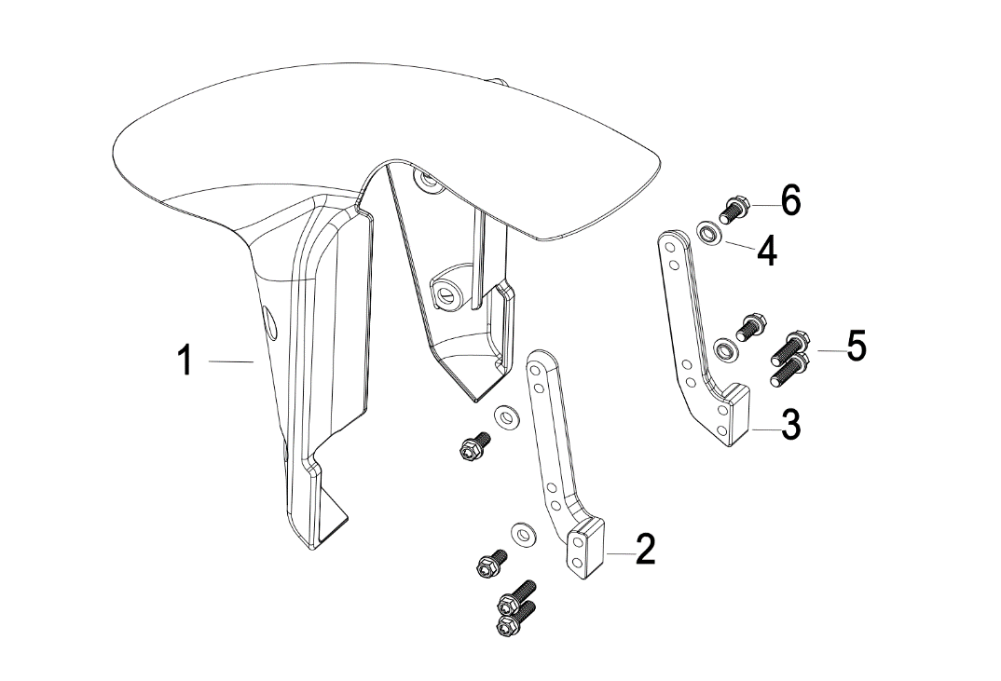
N° | Ref. | Description | Français | Picture | Qty/Bike | Model
1 | YC110-0302-01-BKM | YCF front fender MINI GP ABS Black MAT | Garde boue avant YCF ABS MINI GP Noir MAT |  | 1 | GP107A GP107 GP124 GP157 GP187
2 | YC110-0307-SI | MINI GP Aluminium Front Fender left Support SILVER MAT | Support Aluminium de garde boue boue avant gauche MINI GP SILVER MAT |  | 1 | GP107A GP107 GP124 GP157 GP187
3 | YC110-0308-SI | MINI GP Aluminium Front Fender right Support SILVER MAT | Support Aluminium de garde boue boue avant droit MINI GP SILVER MAT |  | 1 | GP107A GP107 GP124 GP157 GP187
4 | YC110-1446-10 | Bushing aluminum for YCF MINIGP rear fender d12mmxd6.1mmxd8mmx3.4mm Step: d6.1mmxd8mmx2.4mm | Bague aluminium pour garde boue arriere MINIGP YCF d12mmxd6.1mmxd8mmx3.4mm step: d6.1mmxd8mmx2.4mm |  | 4 | GP107A GP107 GP124 GP157 GP187
5 | BT08-M6x20-W | HEXAGON Torx screw with Flange M6x20mm | Vis HEXAGONALE Torx avec Flange M6x20mm |  | 4 | GP107A GP107 GP124 GP157 GP187
6 | BT08-M6x12-W | HEXAGON Torx screw with Flange M6x12mm | Vis HEXAGONALE Torx avec Flange M6x12mm |  | 4 | GP107A GP107 GP124 GP157 GP187

Front & Rear absorber
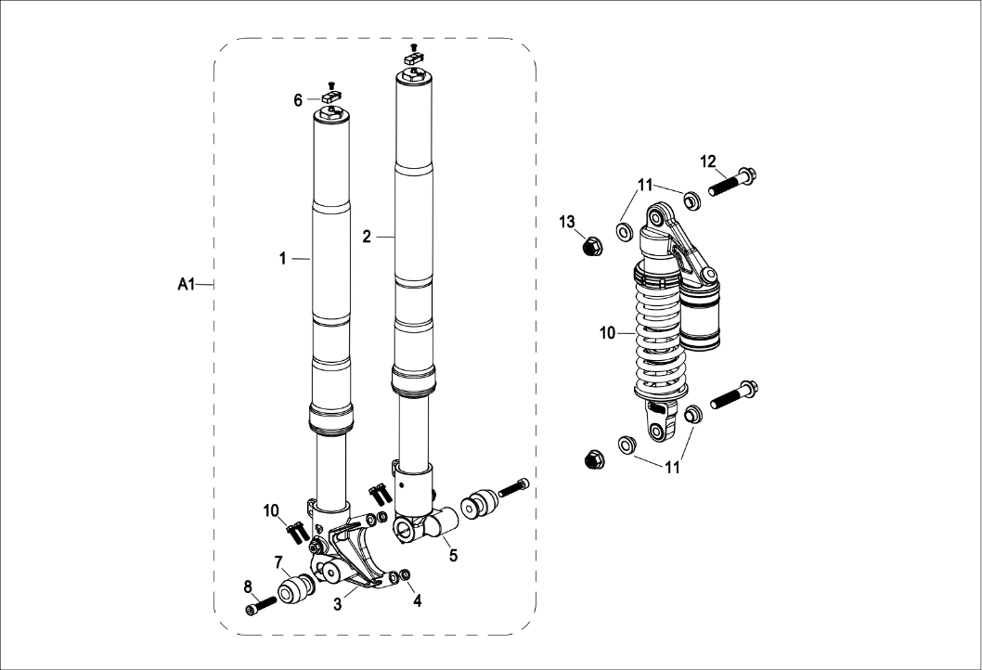
N° | Ref. | Description | Français | Picture | Qty/Bike | Model
A1 | YC110-0400-44-TI | Minigp Pair of fork ZL L=650mm Adjustable compression / Rebound Titanium | Jeu de fourche ZL Minigp L=650mm reglable compression / détente Titane |  | 1 | GP157 GP187
1 | YC110-0402-44-TI | Minigp left front fork ZL L=650mm (Compression / Rebound adjustable) Titanium | Tube de fourche gauche ZL Minigp L=650mm reglable compression / détente Titane |  | 1 | GP157 GP187
2 | YC110-0401-44-TI | Minigp right Front fork ZL L=650mm (Compression / Rebound adjustable) Titanium | Tube de fourche droit ZL Minigp L=650mm reglable compression / détente Titane |  | 1 | GP157 GP187
4 | FB13.7x8.2x7 | Bushing aluminum for Front brake caliper d13.7mmxd8.2mmx7mm | Bagues aluminium pour etrier frein avant d13.7mmxd8.2mmx7mm |  | 2 | GP157 GP187
4 | FB13.7x8.2x5 | Bushing aluminum for Front brake caliper d13.7mmxd8.2mmx5mm | Bagues aluminium pour etrier frein avant d13.7mmxd8.2mmx5mm |  | 2 | GP107A GP107
A1 | YC110-0400-45-TI | Minigp Pair of fork ABC L=650mm not Adjustable Titanium | Jeu de fourche ABC Minigp L=650mm non reglable Titane |  | 1 | GP107A GP107 GP124
1 | YC110-0402-45-TI | Minigp left front fork ABC L=650mmnot adjustable Titanium | Tube de fourche gauche ABC Minigp L=650mm non reglable Titane |  | 1 | GP107A GP107 GP124
2 | YC110-0401-45-TI | Minigp right Front fork ABC L=650mm not adjustable Titanium | Tube de fourche droit ABC Minigp L=650mm non reglable Titane |  | 1 | GP107A GP107 GP124
6 | YC110-0442-BL | Adjustment knob aluminum for copmpression adjustment BLUE | Bouton de réglage compression aluminium BLEU |  | 2 | GP157 GP187
...
9 | BT08-M6x20-W | HEXAGON Torx screw with Flange M6x20mm | Vis HEXAGONALE Torx avec Flange M6x20mm |  | 4 | GP107A GP107 GP124 GP157 GP187
10 | YC110-0404-35 | Shock absorber DNM MTG-RC 310mmx1000lbs WHITE | Amortisseur avec Bonbonne DNM MTG-RC 310mmx1000lbs BLANC |  | 1 | GP157 GP187
10 | YC110-0404-17 | Shock absorber GP 107 310mmx800lbs YELLOW | Amortisseur GP 107 310mmx800lbs JAUNE |  | 1 | GP107A GP107 GP124
11 | YC110-0427-03 | Shock bottom spacer d12mmxd17mmx19.5x6mm T=3 | Entretoise amortisseur pour bras mono d12mmxd17mmx19.5x6mm T=3 |  | 4 | GP187
11 | YC110-0419-04 | Rear shock absorbing shaft sleeve aluminum d12mmxd14mmx5x11mm Outer diameter d=22mmx3.5mm, step d=16x2.5mm | Bague d’amortissement arrière aluminium d12mmxd14mmx5x11mm od d=22mmx3.5mm, step d=16x2.5mm |  | 4 | GP157
11 | YC110-0420 | Shock bottom spacer d12mmxd16mmxd20mmx10.9mm T=3mm | Entretoise bas amortisseur d12mmxd16mmxd20mmx10.9mm T=3mm |  | 4 | GP107A GP107 GP124
12 | GB5789-M12x60-W-1.25 | HEXAGON screw with Flange M12x1.25x60mm | Vis HEXAGONALE avec Flange M12x1.25x60mm |  | 2 | GP107A GP107 GP124 GP157 GP187
13 | GB6183-M12x1.25-Cr | Flanged nylon lock nut M12x1.25 Blue nylon chrome plated | Nylon de verrouillage en flange M12x1.25 Nylon Bleu Nylon |  | 2 | GP107A GP107 GP124 GP157 GP187

Front Brake Assy
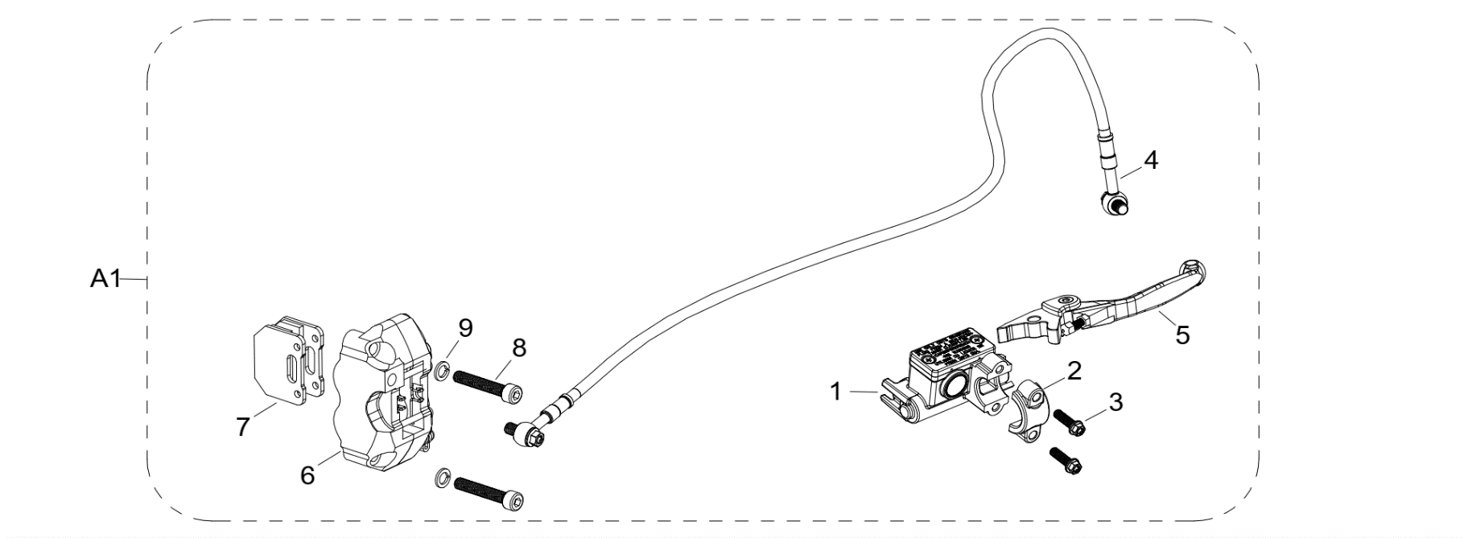
N° | Ref. | Description | Français | Picture | Qty/Bike | Model
A1 | YC110-0512-10 | MINI GP Radial Front brake assy 2 pumps L=775mm 2014 Black | Kit frein avant Radial 2 pistons avec gaine plastic noire L=775mm Noir |  | 1 | GP107A GP107 GP124 GP157 GP187
1 | YC110-0501-0104-03 | Front Brake Reservoir for 2 pump piston d10mm PILOT 2020 | Maitre cylindre frein avant pour étrier 2 pistons d10mm PILOT 2020 |  | 1 | GP107A GP107 GP124 GP157 GP187
3 | BT08-M6x20-W | HEXAGON Torx screw with Flange M6x20mm | Vis HEXAGONALE Torx avec Flange M6x20mm |  | 2 | GP107A GP107 GP124 GP157 GP187
4 | YC110-0330-01 | Radial Front brake steel line L=775mm d10mm/d10mm Black | Durite frein avant Radial L=775mm d10mm/d10mm Noire |  | 1 | GP107A GP107 GP124 GP157 GP187
5 | LFP-21-1-SI | FOLDABLE BRAKE LEVER 21 CNC Silver | LEVIER FREIN PLIABLE 21 CNC Silver |  | 1 | GP107A GP107 GP124 GP157 GP187
6 | YC110-0502-06-BK | Front Brake caliper 2014 BLACK | ETRIER FREIN AVANT RADIAL |  | 1 | GP107A GP107 GP124 GP157 GP187
7 | YC110-0506-01 | Front Brake pads 2014 | JEU PLAQUETTE FREIN AVANT RADIAL 2014 |  | 2 | GP107A GP107 GP124 GP157 GP187
8 | GB70-M8x45 | HEXAGON SOCKET Head Bolt, stainless steel, M8x45mm | Vis Allen (BTR)inox, M8x45mm |  | 2 | GP107A GP107 GP124 GP157 GP187
9 | GB93-d8-W | Spring Lock Washers d8mm | Rondelle a ressort d8mm |  | 2 | GP107A GP107 GP124 GP157 GP187
...
N° | Ref. | Description | Français | Picture | Qty/Bike | Model
3 | 110/70-12K702 | KENDA K702 Front tyre 110/70/12' | pneu KENDA K702 110/70/12' |  | 1 | GP107A GP107 GP124 GP157 GP187
4 | YC110-0613-02-MG | YCF Semi floating brake disk d220mm Magnesium | Disque frein avant flottant d220mm Magnesium |  | 1 | GP107A GP107 GP124 GP157 GP187
5 | GB70.2-M8x25-4 | Pan head hexagon screw M8x25mm（STEP d9.8mmx3.5mm) inox | Vis à tête ronde Allen (BTR) M8x25mm（STEP d9.8mmx3.5mm) inox |  | 4 | GP107A GP107 GP124 GP157 GP187
6 | 6003 | Ball bearing NTN 6003 d35mmxd17mmx10mm | Roulement roue NTN 6003 d35mmxd17mmx10mm |  | 2 | GP107A GP107 GP124 GP157 GP187
7 | YC110-0609-15-GY | Front wheel spacer right, 7075, d15mmxd22mmx24mm with STEP d15mmxd17mmx15mm And d15mmx19.4mmx4mm MATT GREY | Entretoise roue avant droite,7075 , d15mmxd22mmx24mm avec epaulement d15mmxd17mmx15mm And d15mmx19.4mmx4mm GRIS MAT |  | 1 | GP107A GP107 GP124 GP157 GP187
8 | YC110-0610-15-GY | Front wheel spacer left 7075 d15mmxd22mmx34mm with STEP d15mmxd17mmx15mm MATT GREY | Entretoise roue avant gauche 7075 d15mmxd22mmx34mm avec epaulement d15mmxd17mmx15mm GRIS MAT |  | 1 | GP107A GP107 GP124 GP157 GP187
9 | YC110-06-062 | Front Axle L=215 mm with holes M6 with Self-locking nut M14 for SM bikes d=15mm | axe de roue avant L=215mm perces avec ecrou M14 pour supermoto d=15mm |  | 1 | GP107A GP107 GP124 GP157 GP187
10 | GB6187-M14-W | HEXAGON FLAT FLANGE LOCK NUT M14 steel | Ecrou HEXAGONAL avec Flange autobloquant M14 acier |  | 1 | GP107A GP107 GP124 GP157 GP187

Fuel Tank
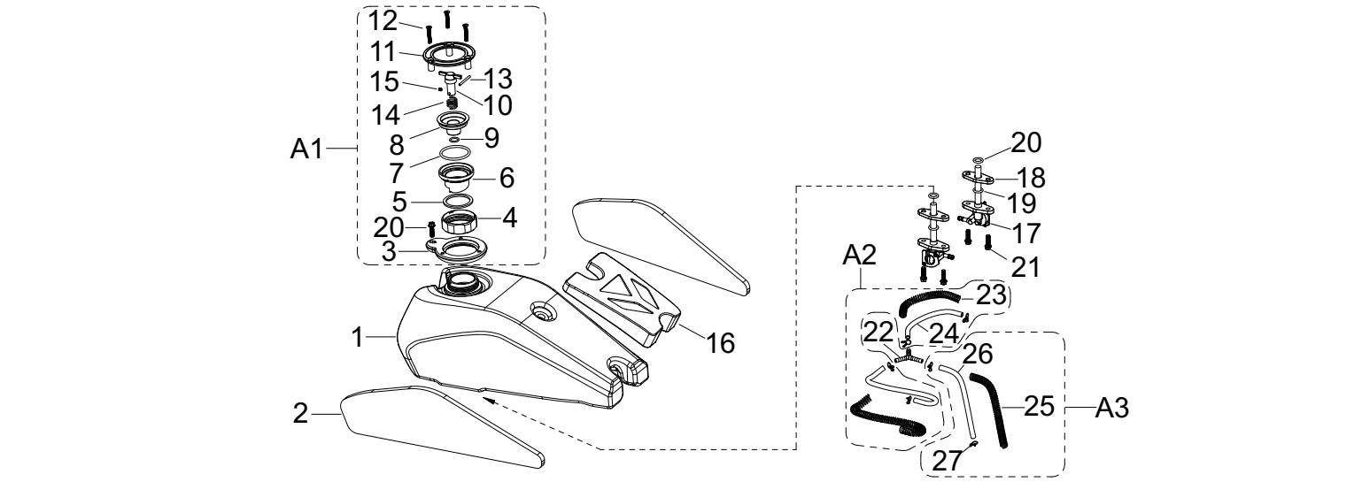
N° | Ref. | Description | Français | Picture | Qty/Bike | Model
1 | YC110-0701-08 | Fuel tank FLAT TRACK 2025 Black | Reservoir FLAT TRACK 2025 Noir |  | 1 | GP107A GP107 GP124 GP157 GP187
2 | YC110-0729-02 | Sponge of Fuel tank outer cladding FLAT TRACK 360mmx85mm 2020 | Mousse Couvre reservoir FLAT TRACK 360mmx85mm 2020 |  | 2 | GP107A GP107 GP124 GP157 GP187
A1 | YC110-0721 | MINI GP Aluminium quick release gas cap | Bouchon reservoir rapide complet Aluminium MINI GP |  | 1 | GP107A GP107 GP124 GP157 GP187
12 | GB70.3-M5x30 | MINI GP screw M5x30mm for support quick release gas cap | Vis M5x30mm pour support bouchon reservoir rapide |  | 3 | GP107A GP107 GP124 GP157 GP187
16 | YC110-0729-04 | Minigp rubber wedge beetween gas tank and bas cover | Cale caoutchouc entre reservoir et couvre reservoir Minigp |  | 1 | GP107A GP107 GP124 GP157 GP187
17 | YC110-0703 | Fuel cock assy. | robinet essence |  | 2 | GP107A GP107 GP124 GP157 GP187
18 | YC110-0743 | Fuel tank switch pad H=10mm | Réservoir switch pad H=10mm |  | 2 | GP107A GP107 GP124 GP157 GP187
19 | YC110-0717 | O-RING,d11mmx3mm For Fuel cock assy | Joint Thorique d11mmx3mm pour robinet essence |  | 2 | GP107A GP107 GP124 GP157 GP187
20 | YC110-0717-03 | O-RING,d10.8mmx2.65mm For Fuel cock assy | Joint Thorique d10.8mmx2.65mm pour robinet essence |  | 2 | GP107A GP107 GP124 GP157 GP187
...
N° | Ref. | Description | Français | Picture | Qty/Bike | Model
37 | GB6170-M6-W | HEXAGON Nut M6mm steel | Ecrou HEXAGONAL M6mm acier |  | 2 | GP107A GP107 GP124 GP157 GP187
38 | GB70-M10x45 | HEXAGON SOCKET Head Bolt, stainless steel, M10X45mm | Vis Allen (BTR)inox, M10x45mm |  | 1 | GP107A GP107 GP124 GP157 GP187

Foot Peg assy

N° | Ref. | Description | Français | Picture | Qty/Bike | Model
A1 | STAND1MOTO-04 | Stand SM for spools with small wheels Black | Bequille ajustable SM pour diabolo avec roulette Noire |  | 1 | GP107A GP107 GP124 GP157 GP187
1 | STAND1MOTO-0401 | WHEEL (ROLLER) FOR SUPERMOTO REAR STAND BIKE | ROUE (ROLLER) POUR TREPIED ARRIERE SUPERMOTO |  | 2 | GP107A GP107 GP124 GP157 GP187

Swing Arm assy
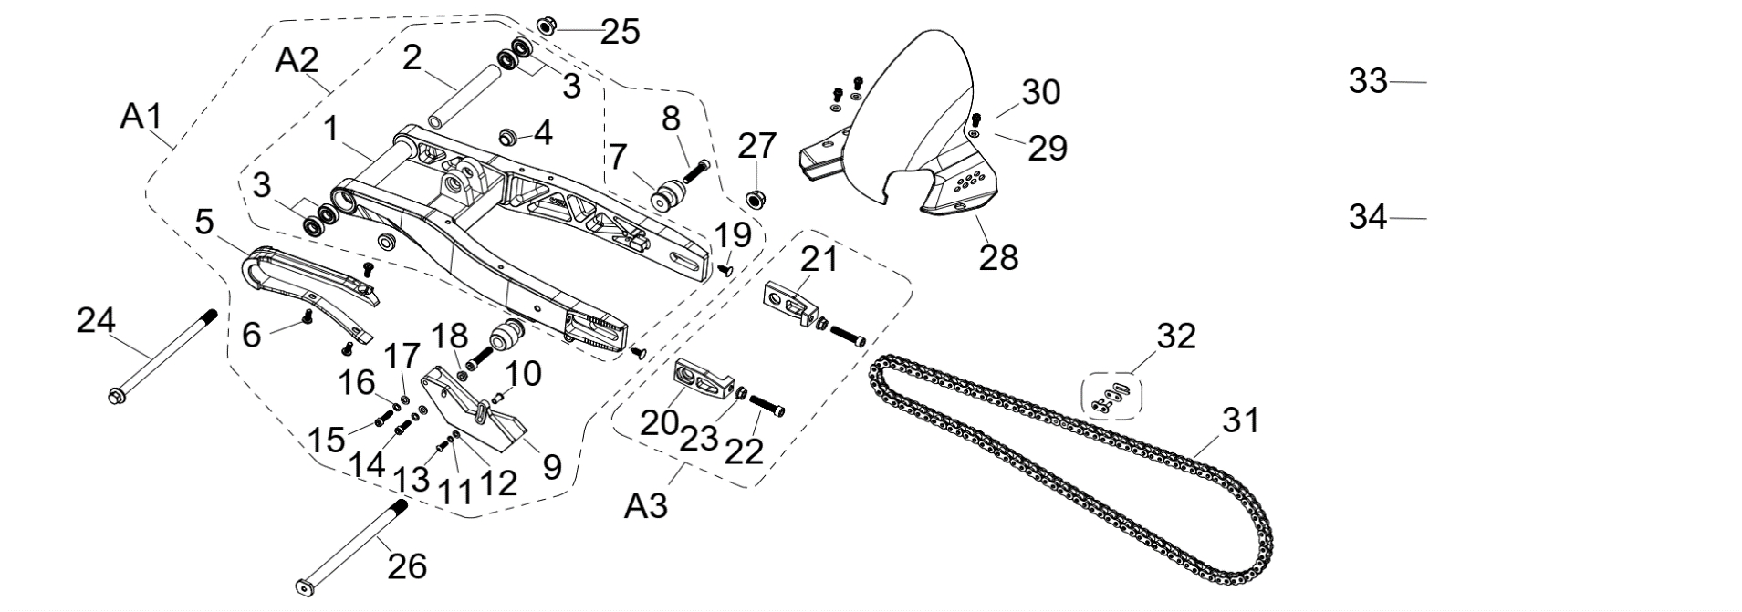
N° | Ref. | Description | Français | Picture | Qty/Bike | Model
A1 | YC110-10-01 | Complete MINIGP Mono swing arm YCF Aluminium 420 mm d12mm (173 mm) | Bras oscillant mono Aluminium Complet MINIGP YCF 420mm d12mm (173 mm) |  | 1 | GP107A GP107 GP124 GP157 GP187
A2 | YC110-10015-0201 | Mono swing arm YCF Aluminium 420mm 2025 d12mm (173 mm) CNC with stainless steel 90 degree plate | Bras oscillant mono YCF Aluminium 420mm 2025 d12mm (173 mm) CNC avec plaque en acier inoxydable 90 degrés |  | 1 | GP107A GP107 GP124 GP157 GP187
2 | YC110-1007-11 | Central spacer swing arm Aluminium SP d13mmxd20mmx141mm | Entretoise centrale de bras oscillent SP d13mmxd20mmx141mm |  | 1 | GP107A GP107 GP124 GP157 GP187
3 | 6001-NTN | Swing arm ball bearing 6001NTN d12mmxd28mmx8mm | Roulement bras oscillent NTN 6001 d12mmxd28mmx8mm |  | 4 | GP107A GP107 GP124 GP157 GP187
4 | YC110-1001-021 | Spacer for swing arm d12mmxd16mmxd24mmx10mm | Entretoise bras oscillant/amorto d12mmxd16mmxd24mmx10mm |  | 2 | GP107A GP107 GP124 GP157 GP187
5 | YC110-10-026 | Chain slider for Steel swing arm PU PILOT/SP/BIGY/SUNDAY/MINI GP | patin chaine court pour bras Acier PU PILOT/SP/BIGY/SUNDAY/MINI GP |  | 1 | GP107A GP107 GP124 GP157 GP187
6 | DIN7985-M6x16 | Screw M6x16mm inox | Vis M6x16mm inox |  | 3 | GP107A GP107 GP124 GP157 GP187
7 | YC110-1035-02-BK | MINI GP Front / Rear Spool Teflon Black | Diabolo MINI GP Teflon noir |  | 2 | GP107A GP107 GP124 GP157 GP187
8 | GB70-M8x40 | HEXAGON SOCKET Head Bolt, stainless steel, M8x40mm | Vis Allen (BTR)inox, M8x40mm |  | 2 | GP107A GP107 GP124 GP157 GP187
...
N° | Ref. | Description | Français | Picture | Qty/Bike | Model
10 | BT08-M6x16-W | HEXAGON Torx screw with Flange M6x16mm | Vis HEXAGONALE Torx avec Flange M6x16mm |  | 2 | GP107A GP107 GP124 GP157 GP187
11 | GB6177-M6-W | HEXAGON FLAT FLANGE NUT M6 steel | Ecrou HEXAGONAL avec Flange M6 acier |  | 2 | GP107A GP107 GP124 GP157 GP187
12 | BT08-M8x60-B-W | HEXAGON Torx screw with Flange M8x60mm half thread | Vis HEXAGONALE Torx avec Flange M8x60mm VIS FILETAGE PARTIEL |  | 1 | GP107 GP124 GP157 GP187
12 | BT08-M8x25-W | HEXAGON Torx screw with Flange M8x25mm | Vis HEXAGONALE Torx avec Flange M8x25mm |  | 1 | GP107A
13 | GB6177-M8-W | HEXAGON FLAT FLANGE NUT M8 steel | Ecrou HEXAGONAL avec Flange M8 acier |  | 1 | GP107 GP124 GP157 GP187
14 | YC110-1321-04 | Muffler Hoop spacer d8.2mmxd22mmxd15mmx35mm (step d8.2mmxd11mmx5mm) notched | Entretoise d8.2mmxd22mmxd15mmx35mm (step d8.2mmxd11mmx5mm) pour fixation silencieux Avec une brèche |  | 1 | GP107 GP124 GP157 GP187
15 | YC110-1321-02 | Washer for mufler hoop d8.2mmxd11mmxd25mmx6mm (step d8.2mmxd11mmx4mm) | Entretoise d8.2mmxd11mmxd25mmx6mm (step d8.2mmxd11mmx4mm) pour fixation silencieux |  | 1 | GP107 GP124 GP157 GP187
16 | YC110-1310-01 | muffler spring d2mmxd10mmx43mm | ressort pot d2mmxd10mmx43mm |  | 1 | GP107A GP107 GP124 GP157 GP187

Seat & Plastic kit
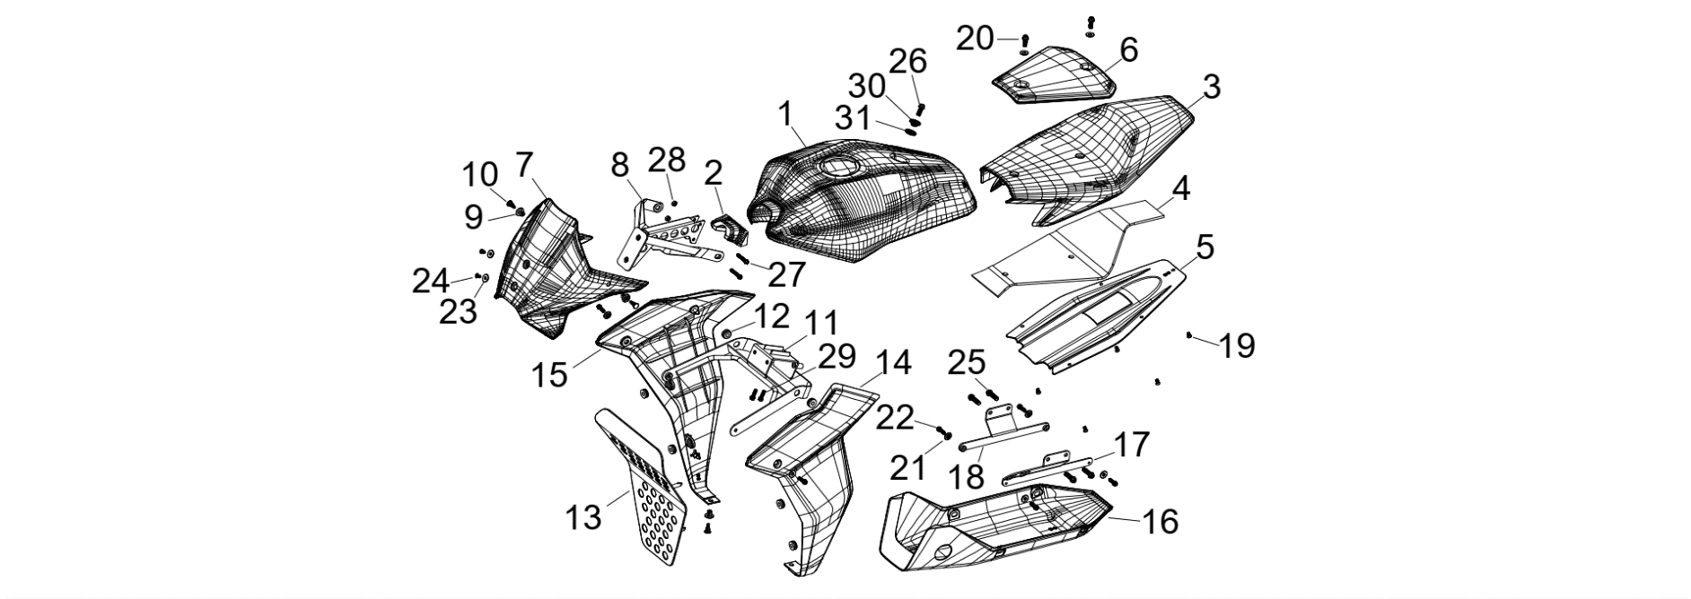
N° | Ref. | Description | Français | Picture | Qty/Bike | Model
1 | YC110-1402-06-BKM | YCF MINI GP gas tank cover ABS MATT Black | Couvre reservoir YCF MINI GP ABS Noir MAT |  | 1 | GP107A GP107 GP124 GP157 GP187
2 | YC110-0729-05 | YCF MINI GP rubber wedge beetween front gas tank and frame | Cale caoutchouc YCF entre avant reservoir et cadre MINI GP |  | 1 | GP107A GP107 GP124 GP157 GP187
3 | YC110-1402-07-BK | YCF MINI GP rear seat ABS fairing BLACK | Base de selle arriere YCF MINI GP ABS NOIR |  | 1 | GP107A GP107 GP124 GP157 GP187
4 | YC110-0700-13 | MINI GP rear seat protection foam | Mousse de protection Base de selle MINI GP |  | 1 | GP107A GP107 GP124 GP157 GP187
5 | YC110-1402-08-BKM | Minigp rear wheel arch ABS Black mnat | Passage de roue ABS Minigp Noir mat |  | 1 | GP107A GP107 GP124 GP157 GP187
6 | YC110-1401-20-BKM | MINI GP seat MATT Black | Selle MINI GP Noire MAT |  | 1 | GP107A GP107 GP124 GP157 GP187
7 | YC110-0212-13-BKM | YCF MINI GP front fairing ABS Matt Black | Tete de fourche YCF MINI GP ABS Noire |  | 1 | GP107A GP107 GP124 GP157 GP187
8 | YC110-0738-BKM | MINI GP steel front fairing support MATT Black | Support acier tete de fourche MINI GP Noire MAT |  | 1 | GP107A GP107 GP124 GP157 GP187
9 | YC110-0941-01 | Plastic screw femal part for Minigp fairing Black | Vis plastique femelle pour carenage Minigp Noire |  | 3 | GP107A GP107 GP124 GP157 GP187
...
N° | Ref. | Description | Français | Picture | Qty/Bike | Model
20 | YC110-1642-01-BKM | Foot fixing plate support aluminium bar d15mmx170mm Black | Barre aluminium transversale renfort d15mmx170mm Noir |  | 1 | GP107A GP107 GP124 GP157 GP187
21 | GB70.2-M10x25-W | Pan head hexagon screw M10x25mm | Vis à tête ronde Allen (BTR) M10x25mm |  | 2 | GP107A GP107 GP124 GP157 GP187
22 | GB97-d10-W | Flat washer,steel d10mm | Rondelle plate,acier d10mm |  | 2 | GP107A GP107 GP124 GP157 GP187
23 | YC110-1607-04 | Plastic cap for frame (battery fixation) d19.9mmxd9mmx20mm | Caps pour cadre (fixation batterie) d19.9mmxd9mmx20mm |  | 2 | GP107A GP107 GP124 GP157 GP187
25 | BT08-M8x25-W | HEXAGON Torx screw with Flange M8x25mm | Vis HEXAGONALE Torx avec Flange M8x25mm |  | 4 | GP107A GP107 GP124 GP157 GP187
26 | GB93-d8-W | Spring Lock Washers d8mm | Rondelle a ressort d8mm |  | 4 | GP107A GP107 GP124 GP157 GP187
27 | GB97-d8-W | Flat washer,steel d8mm | Rondelle plate,acier d8mm |  | 4 | GP107A GP107 GP124 GP157 GP187
28 | YC110-1001-021 | Spacer for swing arm d12mmxd16mmxd24mmx10mm | Entretoise bras oscillant/amorto d12mmxd16mmxd24mmx10mm |  | 2 | GP107A GP107 GP124 GP157 GP187

GRAPHICS
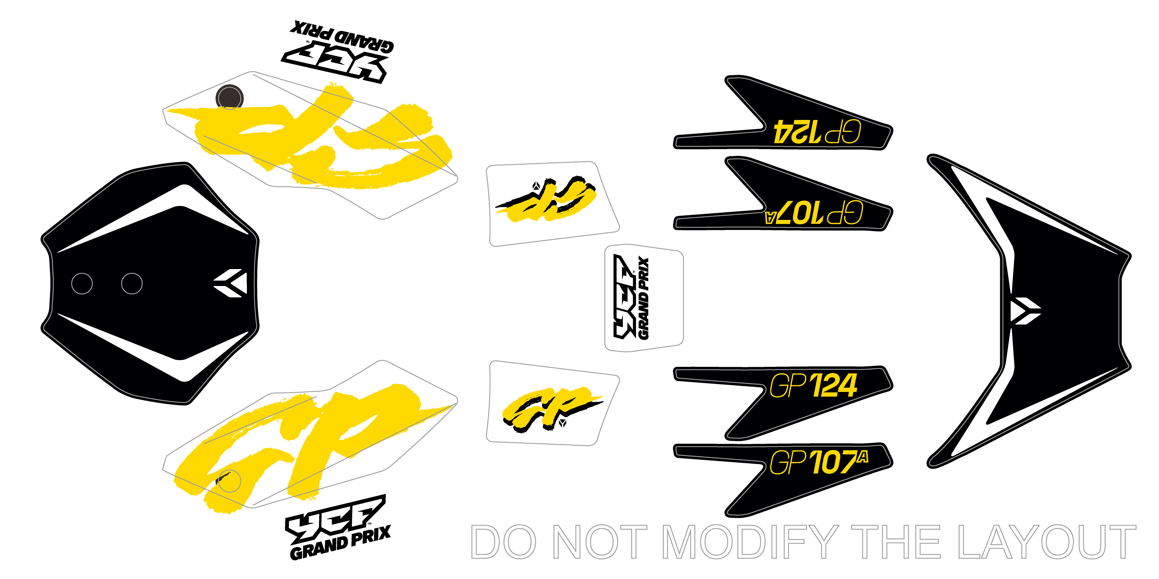
N° | Ref. | Description | Français | Picture | Qty/Bike | Model
1 | KD-25-GP-187-STD | Minigp GP187 graphic kit 2025 | Kit deco Minigp GP187 2025 |  | 1 | GP187
1 | KD-25-GP-157-STD | Minigp GP157 graphic kit 2025 | Kit deco Minigp GP157 2025 |  | 1 | GP157
1 | KD-25-GP-124-STD | Minigp GP124 graphic kit 2025 | Kit deco Minigp GP124 2025 |  | 1 | GP107A GP124

ENGINES/CARBU /Air Filter

N° | Ref. | Description | Français | Picture | Qty/Bike | Model
1 | KL-ZT-HP-55 | NIBBI d55 for Carburetor BIBBI PE34 | NIBBI d55 four carburateur BIBBI PE34 |  | 1 | GP107 GP124 GP157 GP187
1 | YC110-0802-03 | YCF air filter blue d35mm twin thickness (for 22 carburetor) assy | Filtre a air YCF bleu d35mm bi-matiere (pour carburateur 22) assemble |  | 1 | GP107A
...

